Appendix Table 2
Appendix Table 2: Characteristics of patients ≥15y diagnosed with invasive GBS (iGBS) infection, PHE laboratory surveillance, England 2015-2016 - Index of Multiple Deprivation (IMD) by sex (excluding maternity-related cases)

Numerators |  | IMD quintile |  |  |  |  |  |  |  |  |  | Denominators
 |  | 1st |  | 2nd |  | 3rd |  | 4th |  | 5th |  | 1st |  | 2nd |  | 3rd |  | 4th |  | 5th
Age group | Number of iGBS episodes† | Male | Female | Male | Female | Male | Female | Male | Female | Male | Female | Male | Female | Male | Female | Male | Female | Male | Female | Male | Female
15 - 19 years | 12 | 3 | 0 | 0 | 2 | 0 | 2 | 0 | 1 | 3 | 1 | 361,615 | 345,038 | 331,624 | 318,618 | 306,461 | 290,929 | 308,857 | 289,336 | 323,242 | 303,690
20 - 29 years | 47 | 2 | 3 | 0 | 3 | 2 | 2 | 7 | 1 | 15 | 12 | 882,763 | 905,120 | 922,842 | 901,104 | 752,782 | 714,750 | 651,720 | 609,583 | 538,200 | 492,679
30 - 39 years | 95 | 6 | 2 | 4 | 8 | 11 | 7 | 11 | 6 | 25 | 15 | 835,059 | 835,714 | 868,803 | 831,190 | 742,197 | 731,439 | 651,211 | 664,667 | 551,473 | 594,881
40 - 49 years | 204 | 12 | 11 | 13 | 10 | 31 | 15 | 28 | 17 | 36 | 31 | 713,945 | 714,462 | 741,457 | 733,698 | 734,995 | 745,598 | 739,030 | 761,121 | 746,824 | 787,215
50 - 59 years | 339 | 21 | 21 | 46 | 16 | 37 | 31 | 59 | 25 | 49 | 34 | 636,522 | 644,504 | 683,535 | 693,953 | 735,858 | 753,704 | 757,809 | 780,850 | 768,278 | 795,742
60 - 69 years | 472 | 42 | 26 | 52 | 33 | 47 | 38 | 58 | 44 | 80 | 52 | 461,125 | 468,455 | 526,804 | 550,004 | 616,034 | 650,401 | 649,482 | 689,329 | 653,738 | 697,656
70 - 79 years | 544 | 69 | 35 | 57 | 58 | 54 | 43 | 63 | 43 | 66 | 56 | 275,311 | 318,907 | 339,260 | 387,336 | 423,519 | 471,536 | 458,754 | 510,470 | 468,433 | 523,809
80+ years | 779 | 81 | 74 | 87 | 85 | 62 | 97 | 67 | 100 | 59 | 67 | 143,932 | 241,326 | 181,287 | 294,232 | 225,544 | 347,281 | 245,072 | 364,536 | 259,780 | 370,461
Total | 2,492 | 236 | 174 | 259 | 215 | 244 | 235 | 293 | 240 | 333 | 270 | 4,310,272 | 4,473,526 | 4,595,612 | 4,710,135 | 4,537,390 | 4,705,638 | 4,461,935 | 4,669,892 | 4,309,968 | 4,566,133

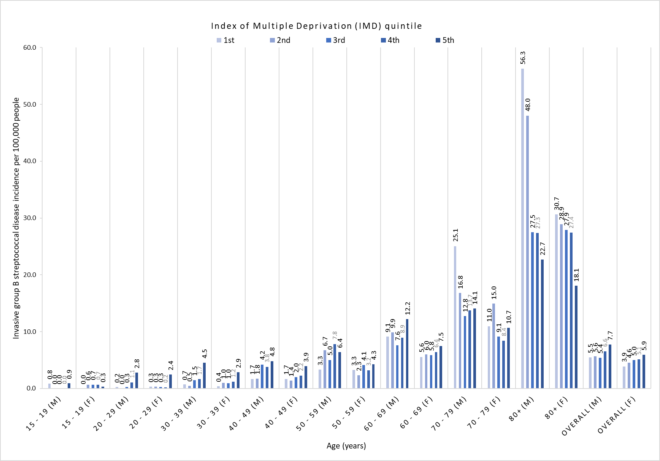
Incidence rates per 100,000 |  | IMD quintile |  |  |  |  |  |  |  |  |  |  | Incidence rates per 100,000 by age and sex
 |  | 1st |  | 2nd |  | 3rd |  | 4th |  | 5th
Age group | Number of iGBS episodes† | Male | Female | Male | Female | Male | Female | Male | Female | Male | Female
15 - 19 years | 12 | 0.83 | 0.00 | 0.00 | 0.63 | 0.00 | 0.69 | 0.00 | 0.35 | 0.93 | 0.33
20 - 29 years | 47 | 0.23 | 0.33 | 0.00 | 0.33 | 0.27 | 0.28 | 1.07 | 0.16 | 2.79 | 2.44
30 - 39 years | 95 | 0.72 | 0.24 | 0.46 | 0.96 | 1.48 | 0.96 | 1.69 | 0.90 | 4.53 | 2.52
40 - 49 years | 204 | 1.68 | 1.54 | 1.75 | 1.36 | 4.22 | 2.01 | 3.79 | 2.23 | 4.82 | 3.94
50 - 59 years | 339 | 3.30 | 3.26 | 6.73 | 2.31 | 5.03 | 4.11 | 7.79 | 3.20 | 6.38 | 4.27
60 - 69 years | 472 | 9.11 | 5.55 | 9.87 | 6.00 | 7.63 | 5.84 | 8.93 | 6.38 | 12.24 | 7.45
70 - 79 years | 544 | 25.06 | 10.97 | 16.80 | 14.97 | 12.75 | 9.12 | 13.73 | 8.42 | 14.09 | 10.69
80+ years | 779 | 56.28 | 30.66 | 47.99 | 28.89 | 27.49 | 27.93 | 27.34 | 27.43 | 22.71 | 18.09
Total | 2,492 | 5.48 | 3.89 | 5.64 | 4.56 | 5.38 | 4.99 | 6.57 | 5.14 | 7.73 | 5.91

 | † IMD data were missing for 14/2,506 non-maternal iGBS episodes

